TERROR
TERRORS |  |  |  |  | RAL 1023 | RAL 3020 | RAL 5015 | RAL 9005 | RAL 2005 | PAN 802C | PAN 806C | RAL 4008 | RAL 6027 | RAL 6018 | US 14-01 | US 16-16 | RAL 9010 | PAN 267U
NAME |  | SET SIZE | SKU | PRICE | 2 | 5 | 7 | 10 | 11 | 12 | 13 | 16 | 27 | 69 | 76 | 77 | 79 | 81 | SETS | HOLDS | WEIGHT | COST ex TAX

PACK OF 13 |  | 47 | 5% Discount | 1,590 € |  |  |  |  |  |  |  |  |  |  |  |  |  |  | 0 | 0 |  | € -
XSB7:B12B7:B17 |  | 6 | UN 01 | 38 € |  |  |  |  |  |  |  |  |  |  |  |  |  |  | 0 | 0 | 0 | € -
SMALL 1 |  | 4 | UN 02 | 37 € |  |  |  |  |  |  |  |  |  |  |  |  |  |  | 0 | 0 | 0 | € -
LARGE 1 | 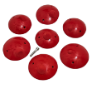 | 7 | UN 03 | 155 € |  |  |  |  |  |  |  |  |  |  |  |  |  |  | 0 | 0 | 0 | € -
LARGE 2 | 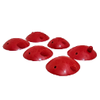 | 6 | UN 07 | 137 € |  |  |  |  |  |  |  |  |  |  |  |  |  |  | 0 | 0 | 0 | € -
XL 1 | 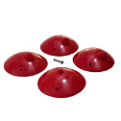 | 4 | UN 04 | 182 € |  |  |  |  |  |  |  |  |  |  |  |  |  |  | 0 | 0 | 0 | € -
XL 2 |  | 3 | UN 08 | 137 € |  |  |  |  |  |  |  |  |  |  |  |  |  |  | 0 | 0 | 0 | € -
XL 3 | 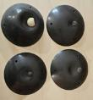 | 4 | UN 09 | 168 € |  |  |  |  |  |  |  |  |  |  |  |  |  |  | 0 | 0 | 0 | € -
XL 4 | 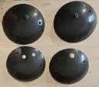 | 4 | UN 10 | 177 € |  |  |  |  |  |  |  |  |  |  |  |  |  |  | 0 | 0 | 0 | € -
XL 5 |  | 2 | UN 11 | 95 € |  |  |  |  |  |  |  |  |  |  |  |  |  |  | 0 | 0 | 0 | € -
SM PLATES |  | 2 | UN 05 | 40 € |  |  |  |  |  |  |  |  |  |  |  |  |  |  | 0 | 0 | 0 | € -
MEDIUM PLATES | 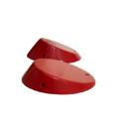 | 2 | UN 06 | 103 € |  |  |  |  |  |  |  |  |  |  |  |  |  |  | 0 | 0 | 0 | € -
XXXL 1 | 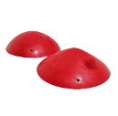 | 2 | UN 12 | 199 € |  |  |  |  |  |  |  |  |  |  |  |  |  |  | 0 | 0 | 0 | € -
XXXL 2 | 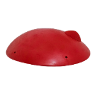 | 1 | UN 13 | 206 € |  |  |  |  |  |  |  |  |  |  |  |  |  |  | 0 | 0 | 0 | € -
 |  |  |  | SETS | 0 | 0 | 0 | 0 | 0 | 0 | 0 | 0 | 0 | 0 | 0 | 0 | 0 | 0 | 0 | 0 | 0 | € -

COMMAS DT
COMMAS PU
 |  |  |  |  | RAL 1023 | RAL 3020 | RAL 5015 | RAL 9005 | RAL 2005 | PAN 802C | PAN 806C | RAL 4008 | RAL 6027 | RAL 6018 | US 14-01 | US 16-16 | RAL 9010 | PAN 267U
NAME |  | SET SIZE | SKU | PRICE | 2 | 5 | 7 | 10 | 11 | 12 | 13 | 16 | 27 | 69 | 76 | 77 | 79 | 81 | SETS | HOLDS | WEIGHT | COST ex TAX
COMMAS DUAL TEX
PACK OF 12 |  | 105 | 5% Discount | 1,283 € |  |  |  |  |  |  |  |  |  |  |  |  |  |  | 0 | 0 | - | € -
DUAL TEX FOOT JIBS | 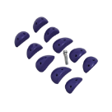 | 10 | UC 02 | 72 € |  |  |  |  |  |  |  |  |  |  |  |  |  |  | 0 | 0 | 0 | € -
MICRO JIBS DT | 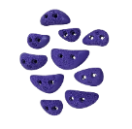 | 10 | UC 03 | 53 € |  |  |  |  |  |  |  |  |  |  |  |  |  |  | 0 | 0 | 0 | € -
XS JIBS DT | 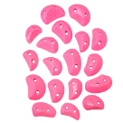 | 18 | UC 04 | 92 € |  |  |  |  |  |  |  |  |  |  |  |  |  |  | 0 | 0 | 0 | € -
FLAT JIBS 1 | 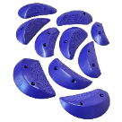 | 10 | UC 06 | 94 € |  |  |  |  |  |  |  |  |  |  |  |  |  |  | 0 | 0 | 0 | € -
FLAT JIBS 2 |  | 6 | UC 07 | 61 € |  |  |  |  |  |  |  |  |  |  |  |  |  |  | 0 | 0 | 0 | € -
DUAL TEX SMALL FLARED JIBS | 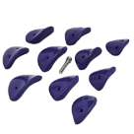 | 10 | UC 11 | 92 € |  |  |  |  |  |  |  |  |  |  |  |  |  |  | 0 | 0 | 0 | € -
XS FLAIRED JIBS | 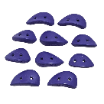 | 10 | UC 14 | 62 € |  |  |  |  |  |  |  |  |  |  |  |  |  |  | 0 | 0 | 0 | € -
DUAL TEX SMALL FLARED EDGES 1 | 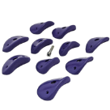 | 10 | UC 16 | 121 € |  |  |  |  |  |  |  |  |  |  |  |  |  |  | 0 | 0 | 0 | € -
DUAL TEX SMALL FLARED EDGES 2 | 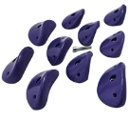 | 10 | UC 17 | 166 € |  |  |  |  |  |  |  |  |  |  |  |  |  |  | 0 | 0 | 0 | € -
LARGE EDGE DT | 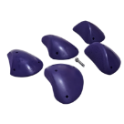 | 5 | UC 51 | 210 € |  |  |  |  |  |  |  |  |  |  |  |  |  |  | 0 | 0 | 0 | € -
LARGE EDGE DT | 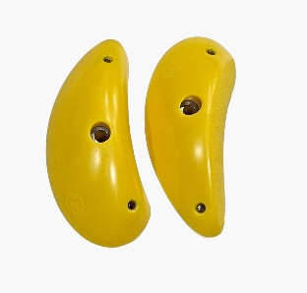 | 2 | UC 52 | 66 € |  |  |  |  |  |  |  |  |  |  |  |  |  |  | 0 | 0 | 0 | € -
XL EDGE 2 DUAL TEX | 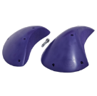 | 2 | UC 56 | 133 € |  |  |  |  |  |  |  |  |  |  |  |  |  |  | 0 | 0 | 0 | € -
XL EDGE 3 DUAL TEX | 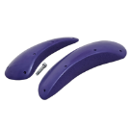 | 2 | UC 57 | 131 € |  |  |  |  |  |  |  |  |  |  |  |  |  |  | 0 | 0 | 0 | € -
 |  |  |  | SETS | 0 | 0 | 0 | 0 | 0 | 0 | 0 | 0 | 0 | 0 | 0 | 0 | 0 | 0 | 0 | 0 | 0 | € -
COMMAS NORMAL TEX
PACK OF 14 |  | 84 | 5% Discount | 2,058 € |  |  |  |  |  |  |  |  |  |  |  |  |  |  | 0 | 0 | 0 | € -
XS FEET | 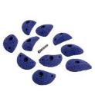 | 10 | UC 01 | 87 € |  |  |  |  |  |  |  |  |  |  |  |  |  |  | 0 | 0 | 0 | € -
SMALL FEET | 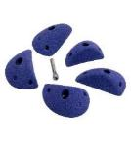 | 10 | UC O5 | 60 € |  |  |  |  |  |  |  |  |  |  |  |  |  |  | 0 | 0 | 0 | € -
SMALL JIBS | 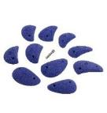 | 10 | UC 10 | 108 € |  |  |  |  |  |  |  |  |  |  |  |  |  |  | 0 | 0 | 0 | € -
SMALL EDGE | 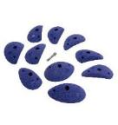 | 10 | UC 15 | 143 € |  |  |  |  |  |  |  |  |  |  |  |  |  |  | 0 | 0 | 0 | € -
SMALL DEEP EDGE | 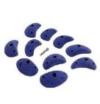 | 10 | UC 20 | 134 € |  |  |  |  |  |  |  |  |  |  |  |  |  |  | 0 | 0 | 0 | € -
SMALL SCOOP EDGE | 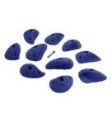 | 10 | UC 25 | 171 € |  |  |  |  |  |  |  |  |  |  |  |  |  |  | 0 | 0 | 0 | € -
MEDIUM EDGE 1 | 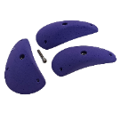 | 3 | UC 30 | 103 € |  |  |  |  |  |  |  |  |  |  |  |  |  |  | 0 | 0 | 0 | € -
MEDIUM EDGE 2 | 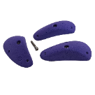 | 3 | UC 35 | 99 € |  |  |  |  |  |  |  |  |  |  |  |  |  |  | 0 | 0 | 0 | € -
LARGE EDGE 1 | 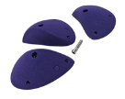 | 3 | UC 40 | 129 € |  |  |  |  |  |  |  |  |  |  |  |  |  |  | 0 | 0 | 0 | € -
LARGE EDGE 2 | 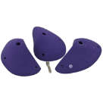 | 3 | UC 45 | 156 € |  |  |  |  |  |  |  |  |  |  |  |  |  |  | 0 | 0 | 0 | € -
LARGE EDGE 3 | 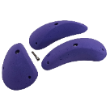 | 3 | UC 50 | 152 € |  |  |  |  |  |  |  |  |  |  |  |  |  |  | 0 | 0 | 0 | € -
XL SLOPERS | 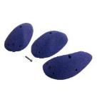 | 3 | UC 55 | 238 € |  |  |  |  |  |  |  |  |  |  |  |  |  |  | 0 | 0 | 0 | € -
XXL SLOPERS | 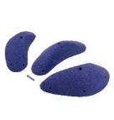 | 3 | UC 60 | 250 € |  |  |  |  |  |  |  |  |  |  |  |  |  |  | 0 | 0 | 0 | € -
XXXL SLOPERS | 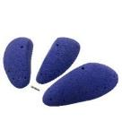 | 3 | UC 65 | 337 € |  |  |  |  |  |  |  |  |  |  |  |  |  |  | 0 | 0 | 0 | € -
 |  |  |  | SETS | 0 | 0 | 0 | 0 | 0 | 0 | 0 | 0 | 0 | 0 | 0 | 0 | 0 | 0 | 0 | 0 | 0 | € -

COMMAS PE
COMMAS PE
 |  |  |  |  | RAL 1023 | RAL 3020 | RAL 5015 | RAL 9005 | RAL 2005 | PAN 802C | PAN 806C | RAL 4008 | RAL 6027 | RAL 6018 | US 14-01 | US 16-16 | RAL 9010 | PAN 267U
NAME |  | SET SIZE | SKU | PRICE | 2 | 5 | 7 | 10 | 11 | 12 | 13 | 16 | 27 | 69 | 76 | 77 | 79 | 81 | SETS | HOLDS | WEIGHT | COST ex TAX

PACK OF 11 |  | 52 | Discount 5% | 841.51 € |  |  |  |  |  |  |  |  |  |  |  |  |  |  | 0 | 0 | 0 | € -
MEDIUM FEET/INCUT | 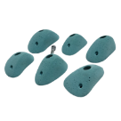 | 6 | UCPE 05 | € 64.89 |  |  |  |  |  |  |  |  |  |  |  |  |  |  | 0 | 0 | 0 | € -
SMALL JUGS | 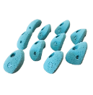 | 10 | UCPE 07 | € 75.19 |  |  |  |  |  |  |  |  |  |  |  |  |  |  | 0 | 0 | 0 | € -
MEDIUM JUGS 1 | 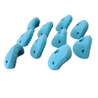 | 10 | UCPE 08 | € 118.45 |  |  |  |  |  |  |  |  |  |  |  |  |  |  | 0 | 0 | 0 | € -
LARGE JUGS 1 | 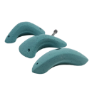 | 3 | UCPE 10 | € 58.71 |  |  |  |  |  |  |  |  |  |  |  |  |  |  | 0 | 0 | 0 | € -
LARGE ROUND SHALLOW | 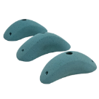 | 3 | UCPE 20 | € 62.83 |  |  |  |  |  |  |  |  |  |  |  |  |  |  | 0 | 0 | 0 | € -
LARGE ROUND INCUT | 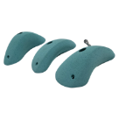 | 3 | UCPE 15 | € 57.68 |  |  |  |  |  |  |  |  |  |  |  |  |  |  | 0 | 0 | 0 | € -
LARGE JUGS 2 | 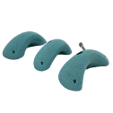 | 3 | UCPE 25 | € 66.95 |  |  |  |  |  |  |  |  |  |  |  |  |  |  | 0 | 0 | 0 | € -
LARGE JUGS | 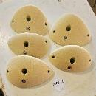 | 5 | UCPE 16 | 91.67 € |  |  |  |  |  |  |  |  |  |  |  |  |  |  | 0 | 0 | 0 | € -
XL JUGS 1 | 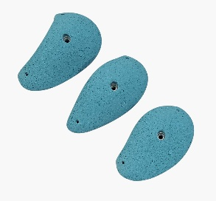 | 3 | UCPE 30 | 85.49 € |  |  |  |  |  |  |  |  |  |  |  |  |  |  | 0 | 0 |  | € -
XL JUGS 2 |  | 3 | UCPE 35 | 100.94 € |  |  |  |  |  |  |  |  |  |  |  |  |  |  | 0 | 0 |  | € -
XL JUGS 3 |  | 3 | UCPE 40 | 103.00 € |  |  |  |  |  |  |  |  |  |  |  |  |  |  | 0 | 0 |  | € -
 |  |  |  |  | 0 | 0 | 0 | 0 | 0 | 0 | 0 | 0 | 0 | 0 | 0 | 0 | 0 | 0 | 0 | 0 | 0 | € -

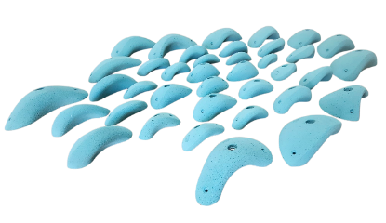
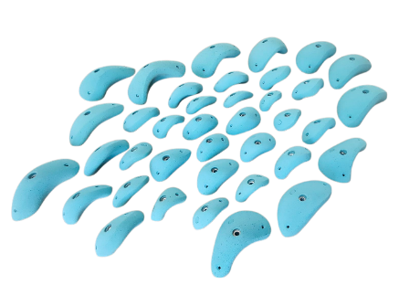

ECLIPSE
ECLIPSE FAMILY |  |  |  |  | RAL 1023 | RAL 3020 | RAL 5015 | RAL 9005 | RAL 2005 | PAN 802C | PAN 806C | RAL 4008 | RAL 6027 | RAL 6018 | US 14-01 | US 16-16 | RAL 9010 | PAN 267U
NAME | PHOTO | SET SIZE | SKU | PRICE | 2 | 5 | 7 | 10 | 11 | 12 | 13 | 16 | 27 | 69 | 76 | 77 | 79 | 81 | SETS | HOLDS | WEIGHT | TOTAL ex TAX

JUGS & FEET
SET OF 7 |  | 39 | DISCOUNT 5% | 1,215.30 € |  |  |  |  |  |  |  |  |  |  |  |  |  |  | 0 | 0 | 0 | € -
MEDIUM FEET 1 | 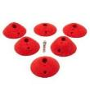 | 6 | UBE 76/CX.Small Feet 1 | 72.10 € |  |  |  |  |  |  |  |  |  |  |  |  |  |  | 0 | 0 | 0 | € -
MEDIUM FEET 2 | 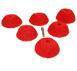 | 6 | UBE 79 | 92.70 € |  |  |  |  |  |  |  |  |  |  |  |  |  |  | 0 | 0 |  | € -
MEDIUM DEEP FEET |  | 6 | UBE 80 | 107.12 € |  |  |  |  |  |  |  |  |  |  |  |  |  |  | 0 | 0 |  | € -
M JUGS SET A | 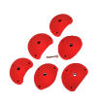 | 6 | UBE 21 | 139.05 € |  |  |  |  |  |  |  |  |  |  |  |  |  |  | 0 | 0 | 0 | € -
L JUGS SET B | 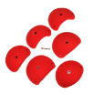 | 6 | UBE 22 | 242.05 € |  |  |  |  |  |  |  |  |  |  |  |  |  |  | 0 | 0 | 0 | € -
XL JUGS SET C | 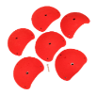 | 6 | UBE 23 | 358.44 € |  |  |  |  |  |  |  |  |  |  |  |  |  |  | 0 | 0 | 0 | € -
XL JUGS SET D |  | 3 | UBE 24 | 267.80 € |  |  |  |  |  |  |  |  |  |  |  |  |  |  | 0 | 0 | 0 | € -
 |  |  |  | SETS | 0 | 0 | 0 | 0 | 0 | 0 | 0 | 0 | 0 | 0 | 0 | 0 | 0 | 0 | 0 | 0 | 0 | € -

EDGES & SLOPERS & FEET
SET OF 13 |  | 78 | DISCOUNT 5% | 2,010.82 € |  |  |  |  |  |  |  |  |  |  |  |  |  |  | 0 | 0 |  | € -
XS FEET 1 |  | 6 | UBE 85 | 28.84 € |  |  |  |  |  |  |  |  |  |  |  |  |  |  | 0 | 0 |  | € -
XS FEET 2 |  | 6 | UBE 86 | 28.84 € |  |  |  |  |  |  |  |  |  |  |  |  |  |  | 0 | 0 |  | € -
S FEET 1 |  | 6 | UBE 77 | 33.99 € |  |  |  |  |  |  |  |  |  |  |  |  |  |  | 0 | 0 | 0 | € -
XS FEET 2 |  | 6 | UBE 78 | 29.87 € |  |  |  |  |  |  |  |  |  |  |  |  |  |  | 0 | 0 | 0 | € -
M FEET & EDGES |  | 6 | UBE 84 | 67.98 € |  |  |  |  |  |  |  |  |  |  |  |  |  |  | 0 | 0 | 0 | € -
MEDIUM 1 SLOPERS & EDGE |  | 6 | UBE 74 | 52.53 € |  |  |  |  |  |  |  |  |  |  |  |  |  |  | 0 | 0 | 0 | € -
MEDIUM 2 EDGE |  | 6 | UBE 75/cx Small Edge 2 | 59.74 € |  |  |  |  |  |  |  |  |  |  |  |  |  |  | 0 | 0 | 0 | € -
M EDGES slope & edge |  | 6 | UBE 02 | 101.97 € |  |  |  |  |  |  |  |  |  |  |  |  |  |  | 0 | 0 | 0 | € -
L SET A MIXED EDGES |  | 6 | UBE 01 | 123.60 € |  |  |  |  |  |  |  |  |  |  |  |  |  |  | 0 | 0 | 0 | € -
L SET B MIXED DEEP INCUT AND SLOPERS |  | 6 | UBE 05 | 206.00 € |  |  |  |  |  |  |  |  |  |  |  |  |  |  | 0 | 0 | 0 | € -
XL SET C MIXED DEEP INCUT AND SLOPERS |  | 6 | UBE 10 | 309.00 € |  |  |  |  |  |  |  |  |  |  |  |  |  |  | 0 | 0 | 0 | € -
XL SET D MIXED DEEP INCUT AND SLOPERS 30 CM |  | 6 | UBE 15 | 414.06 € |  |  |  |  |  |  |  |  |  |  |  |  |  |  | 0 | 0 | 0 | € -
XXL SET E MIXED DEEP INCUTS AND SLOPERS 40CM |  | 6 | UBE 20 | 660.23 € |  |  |  |  |  |  |  |  |  |  |  |  |  |  | 0 | 0 | 0 | € -
 |  |  |  | SETS | 0 | 0 | 0 | 0 | 0 | 0 | 0 | 0 | 0 | 0 | 0 | 0 | 0 | 0 | 0 | 0 | 0 | € -

BLOCKERS (MIXED EDGES)

SET OF 10 |  | 60 | DISCOUNT 5% | 1,094.94 € |  |  |  |  |  |  |  |  |  |  |  |  |  |  | 0 | 0 | 0 | € -
SET A1 FOR BLOCKING SET A ECLIPSE |  | 6 | UBE 25 | 41.20 € |  |  |  |  |  |  |  |  |  |  |  |  |  |  | 0 | 0 | 0 | € -
SET A2 FOR BLOCKING SET A ECLIPSE |  | 6 | UBE 30 | 32.96 € |  |  |  |  |  |  |  |  |  |  |  |  |  |  | 0 | 0 | 0 | € -
SET B1 FOR BLOCKING SET B ECLIPSE |  | 6 | UBE 35 | 71.07 € |  |  |  |  |  |  |  |  |  |  |  |  |  |  | 0 | 0 | 0 | € -
SET B2 FOR BLOCKING SET B ECLIPSE |  | 6 | UBE 40 | 50.47 € |  |  |  |  |  |  |  |  |  |  |  |  |  |  | 0 | 0 | 0 | € -
SET C1 FOR BLOCKING SET C ECLIPSE |  | 6 | UBE 45 | 119.48 € |  |  |  |  |  |  |  |  |  |  |  |  |  |  | 0 | 0 | 0 | € -
SET C2 FOR BLOCKING SET C ECLIPSE |  | 6 | UBE 50 | 62.83 € |  |  |  |  |  |  |  |  |  |  |  |  |  |  | 0 | 0 | 0 | € -
SET D1 FOR BLOCKING SET D ECLIPSE |  | 6 | UBE 55 | 99.91 € |  |  |  |  |  |  |  |  |  |  |  |  |  |  | 0 | 0 | 0 | € -
SET D2 FOR BLOCKING SET D ECLIPSE |  | 6 | UBE 60 | 186.43 € |  |  |  |  |  |  |  |  |  |  |  |  |  |  | 0 | 0 |  | € -
SET E1 FOR BLOCKING SET E ECLIPSE |  | 6 | UBE 65 | 224.54 € |  |  |  |  |  |  |  |  |  |  |  |  |  |  | 0 | 0 |  | € -
SET E2 FOR BLOCKING SET E ECLIPSE |  | 6 | UBE 70 | 263.68 € |  |  |  |  |  |  |  |  |  |  |  |  |  |  | 0 | 0 | 0 | € -
 |  |  |  | SETS | 0 | 0 | 0 | 0 | 0 | 0 | 0 | 0 | 0 | 0 | 0 | 0 | 0 | 0 | 0 | 0 | 0 | € -

